Instructions
DATA IMPORT INSTRUCTIONS

Building retuning system Data Template

Please read the next instructions in order to properly use this template
As this template is intented to be used as educational purposes, you can only upload a maximum of 3000 registers

1. Go to the "Template" sheet on this Excel workbook and fill data as required.
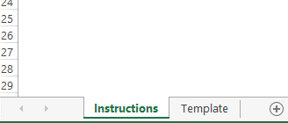

 | Note: be sure to start adding data on the first empty row (a2, b2 etc) and that
 | date format is set as yyyy-mm-dd. RUNNING THE NEXT MACRO WILL ADJUST
 | THE DATE FORMAT FOR YOU.
DATE & TIME FORMAT ADJUSTMENT

2. When finished press F12 or File/Save as and choose to save this file as csv. Put any desired name.

3. Two warning dialog boxes will appear. Click OK and yes on the corresponding dialog boxes.

4. Go to the trainning website and click on the "table" link, on the top of the web page.

5. Before importing the csv file you must choose (or create a new) data set. Then click on the import button.

6. After choosing the desired csv file, confirm that you want to upload file and wait some seconds.

And that is all.

